Macaw Auto
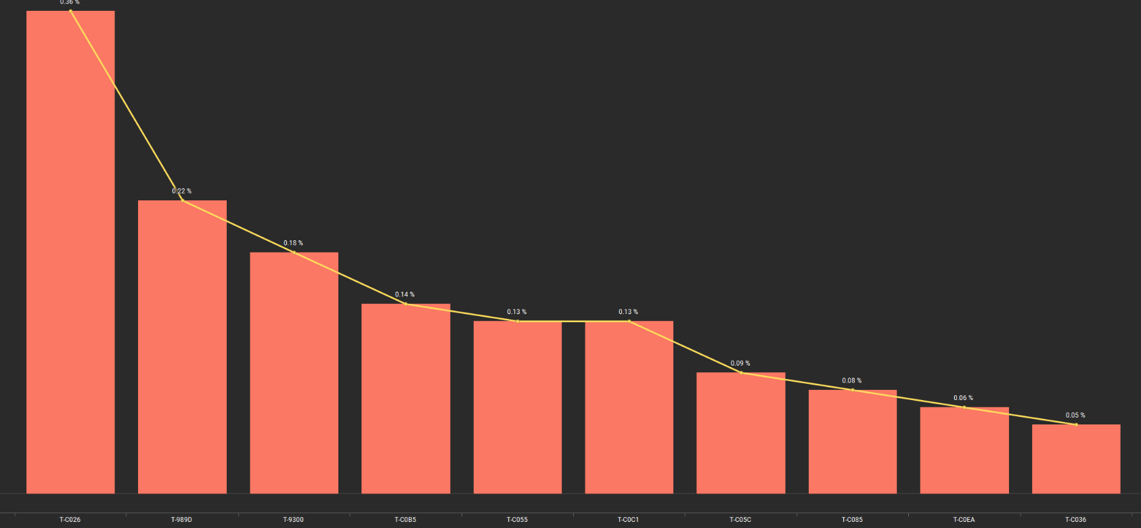
Macwa Auto iNAND | Config | Assy | Goal | S-Goal | 2026Q3 | Jan | Feb | Mar | W37 | W38 | W39 | W40 | W41 | W42 | W43 | W44 | W44 Qty (K)
BICS3 256Gb MTST1 SM | 1D | SDSS | 99.10% | 99.50% | 99.62% | 99.66% | 99.51% | 99.67% | 99.62% | 99.72% | 99.72% | 99.65% | 99.66% | 99.60% | 99.58% | 99.69% | 108
 | 2D | SDSS | 99.00% | 99.20% | 99.53% | 99.51% | 99.51% | 99.55% | 99.50% | 99.48% | 99.61% | 99.54% | 99.48% | 99.60% | 99.28% |  | No volume
BICS3 256Gb MTST2 SK | 1D | SDSS | 99.00% | 99.40% | 96.66% | 91.11% | 99.60% | 99.59% | 99.59% | 99.65% | 99.54% | 99.59% | 99.59% | 99.66% | 99.58% | 99.67% | 160
 | 2D | SDSS | 98.20% | 98.80% | 98.80% | 98.15% | 99.13% | 99.15% | 99.08% | 99.00% | 99.14% | 99.20% | 99.15% | 99.09% | 99.03% |  | No volume
BICS3 256Gb ST1 SG | 1D | SDSS | 99.80% | 99.80% | 99.97% | 99.95% | 99.98% | 99.97% | 99.98% | 99.98% | 99.98% | 99.93% | 99.98% | 99.99% | 99.95% | 99.99% | 160
 | 2D | SDSS | 99.70% | 99.80% | 99.80% | 99.97% | 99.98% | 99.99% | 100.00% | 99.98% | 99.99% | 99.99% | 99.99% | 100.00% | 99.95% |  | No volume

